Azure Q&A
Topic | Description
Tenant ID/ Tenant root group/ management group/ subscription | Tenant id is global unique id used to authenticate Service Principal, Managed Identity or API. Entra ID is used to authenticate the user/group/Roles, Policies. Feature Description Tenant ID आपके Azure AD (Entra ID) का एक यूनिक पहचानकर्ता (GUID) Tenant Root Group Azure में सबसे ऊँचा (Top-Level) Management Group, जो सभी subscriptions को contain करता है Entra ID (Azure AD) Microsoft की Cloud-Based Identity & Access Management Service | 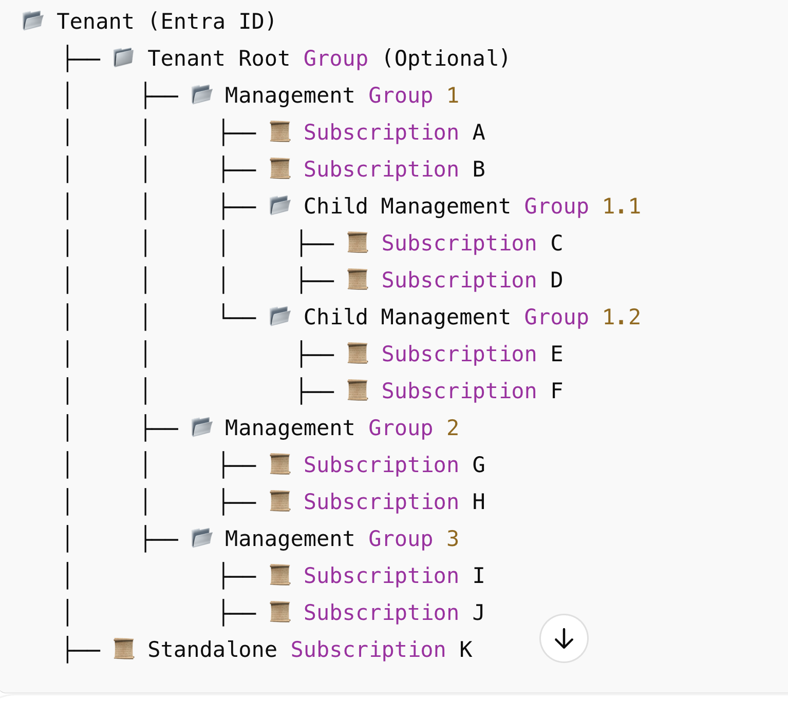

 | 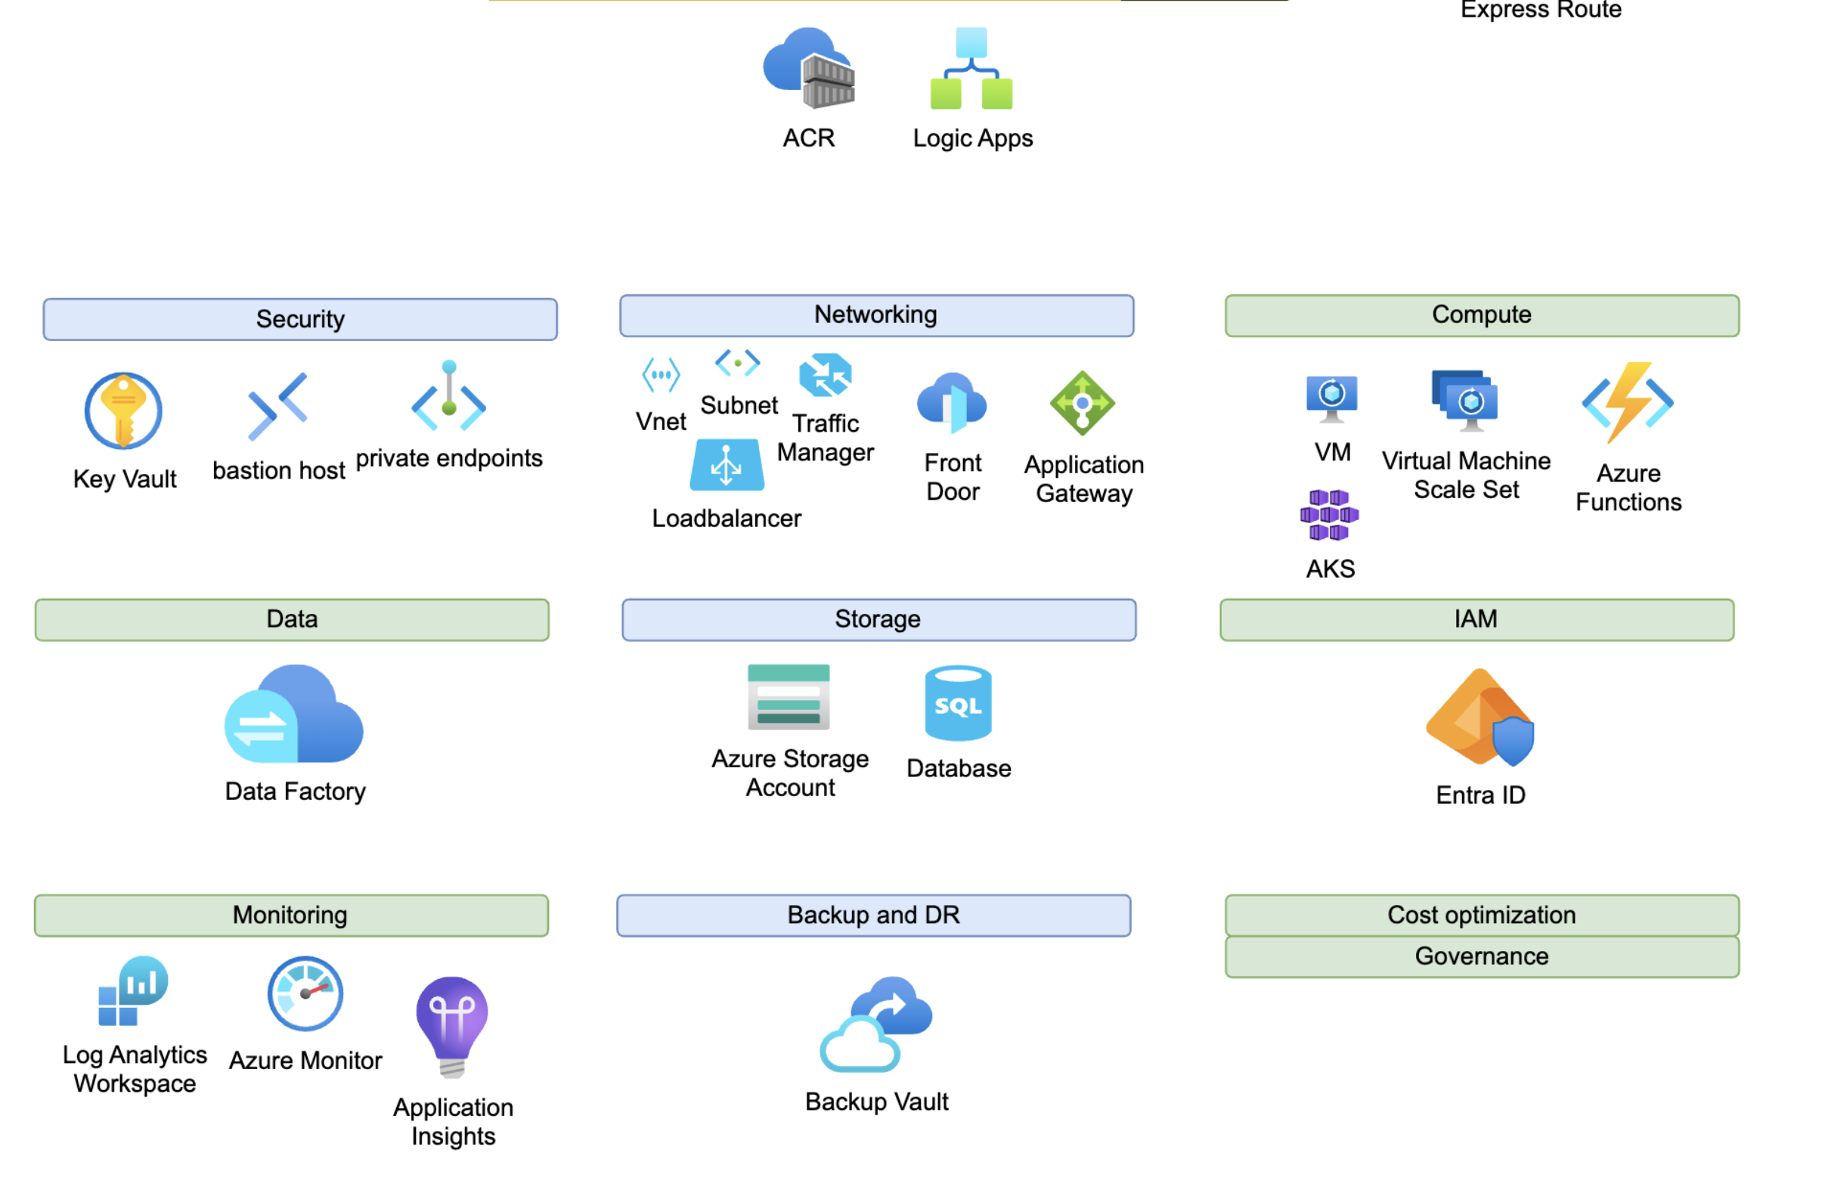
identity and Access Management (IAM), why it's important, and how it works. | Identity and access management ensures that the right people, machines, and software components get access to the right resources at the right time.
Types of storage account? | Blob, file share, table, queue
Diff between standard and premium type storage ?
Availibility set | https://docs.google.com/document/d/1PBY8h5dnfq_EmoRJfPvHZX6fjrtSrxkLE35GXvYbwsw/edit?tab=t.0
Serice end point ? | To securely access the azure resources from a allowed vnet only..like storage account, sql db etc...
private endpoint kaise banta hai ? | A Private Endpoint in Azure is a networking feature that allows services to be accessed privately within a Virtual Network (VNet). It provides secure connectivity to Azure services (like Storage, SQL, and Key Vault) without exposing them to the public internet. Instead of accessing a service over its public IP, a private IP is assigned within the VNet, making communication private and secure.
dfference between private end point and service end point? | 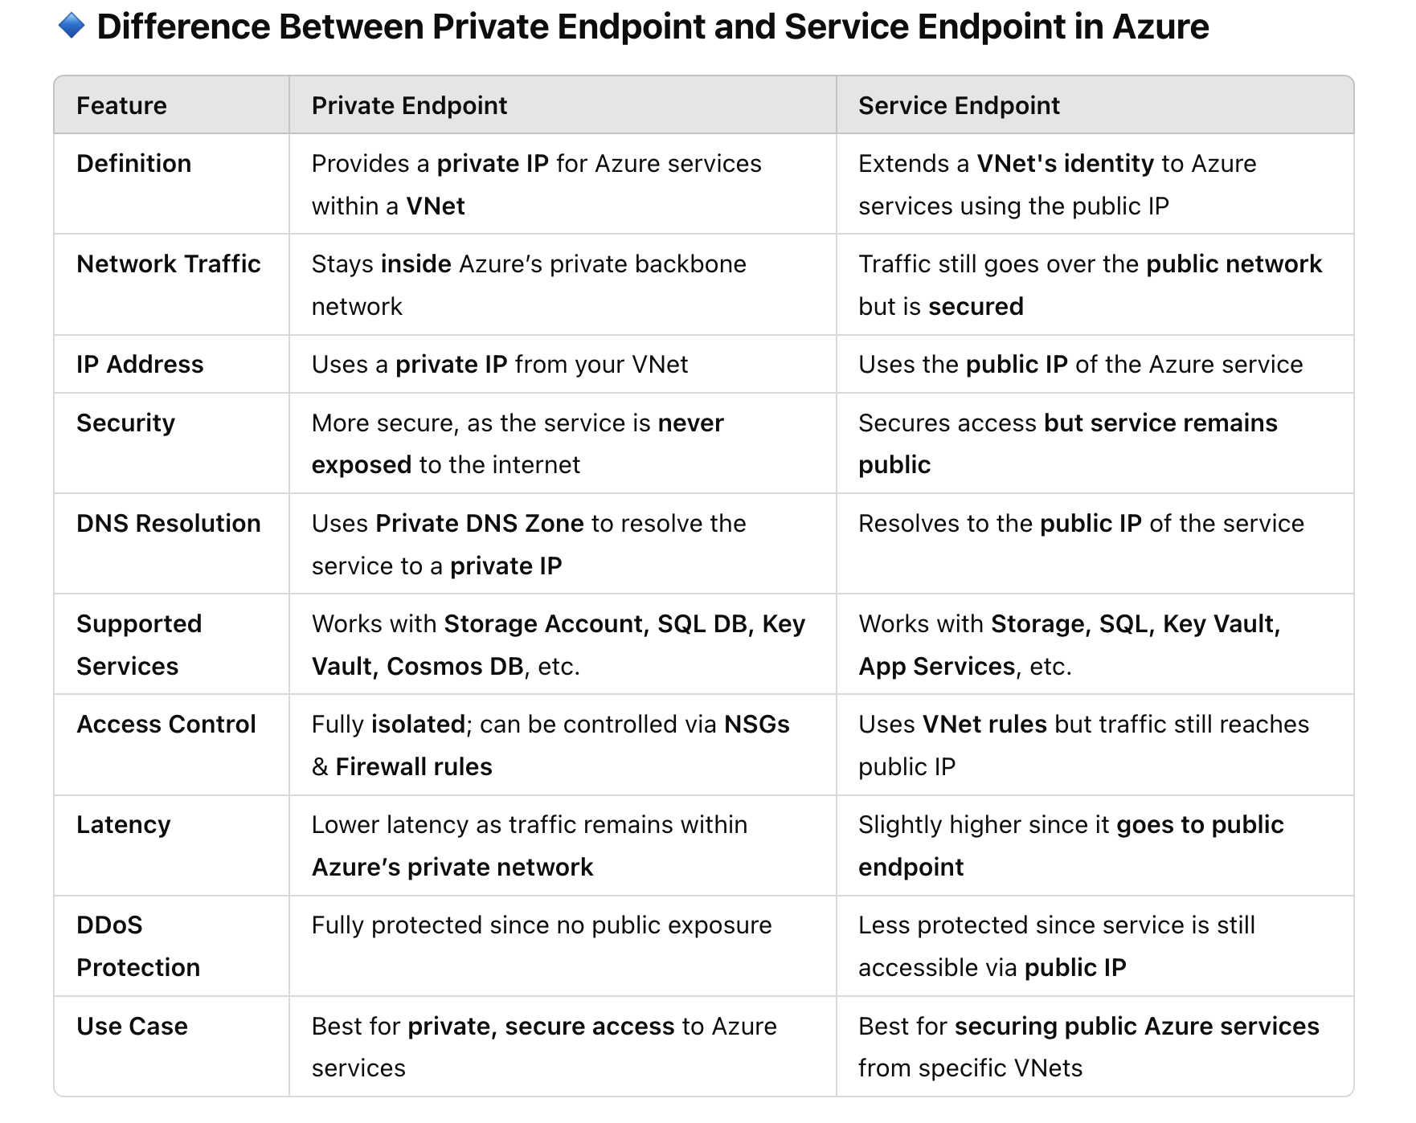
private end point me kya kya banta hai ? | Create a Private Endpoint in your VNet. Associate it with a specific Azure service (e.g., Storage, SQL). DNS resolution is updated to use the Private DNS Zone. All traffic remains inside Azure’s backbone, ensuring security.
Azure LB and App gateway LB |  | https://learn.microsoft.com/en-us/azure/architecture/guide/technology-choices/load-balancing-overview
Azure load balancer me kya kya configure krte hain ? | 1. Frontend ip configuration. 2. Backend pool 3. Inbound LB rule 4. Health probe | https://learn.microsoft.com/en-us/azure/architecture/guide/technology-choices/load-balancing-overview
how to upload ssl certificate in APP GW? | 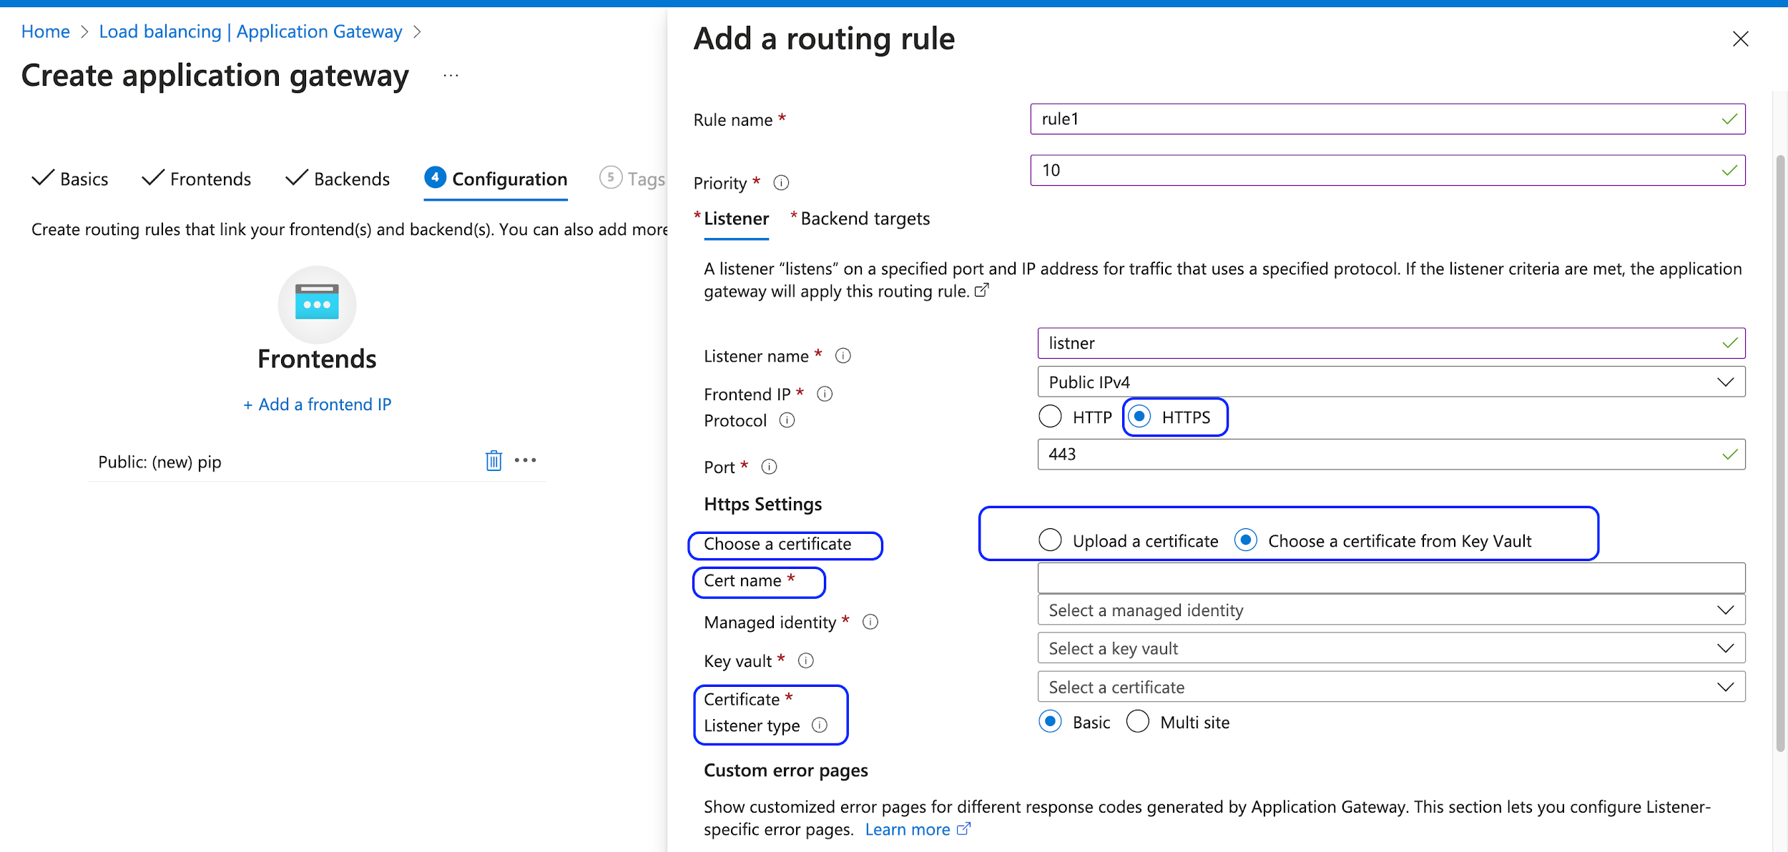 | https://learn.microsoft.com/en-us/azure/architecture/guide/technology-choices/load-balancing-overview
Difference between Azure LB, APP GW, Front door, Traffic manager, | 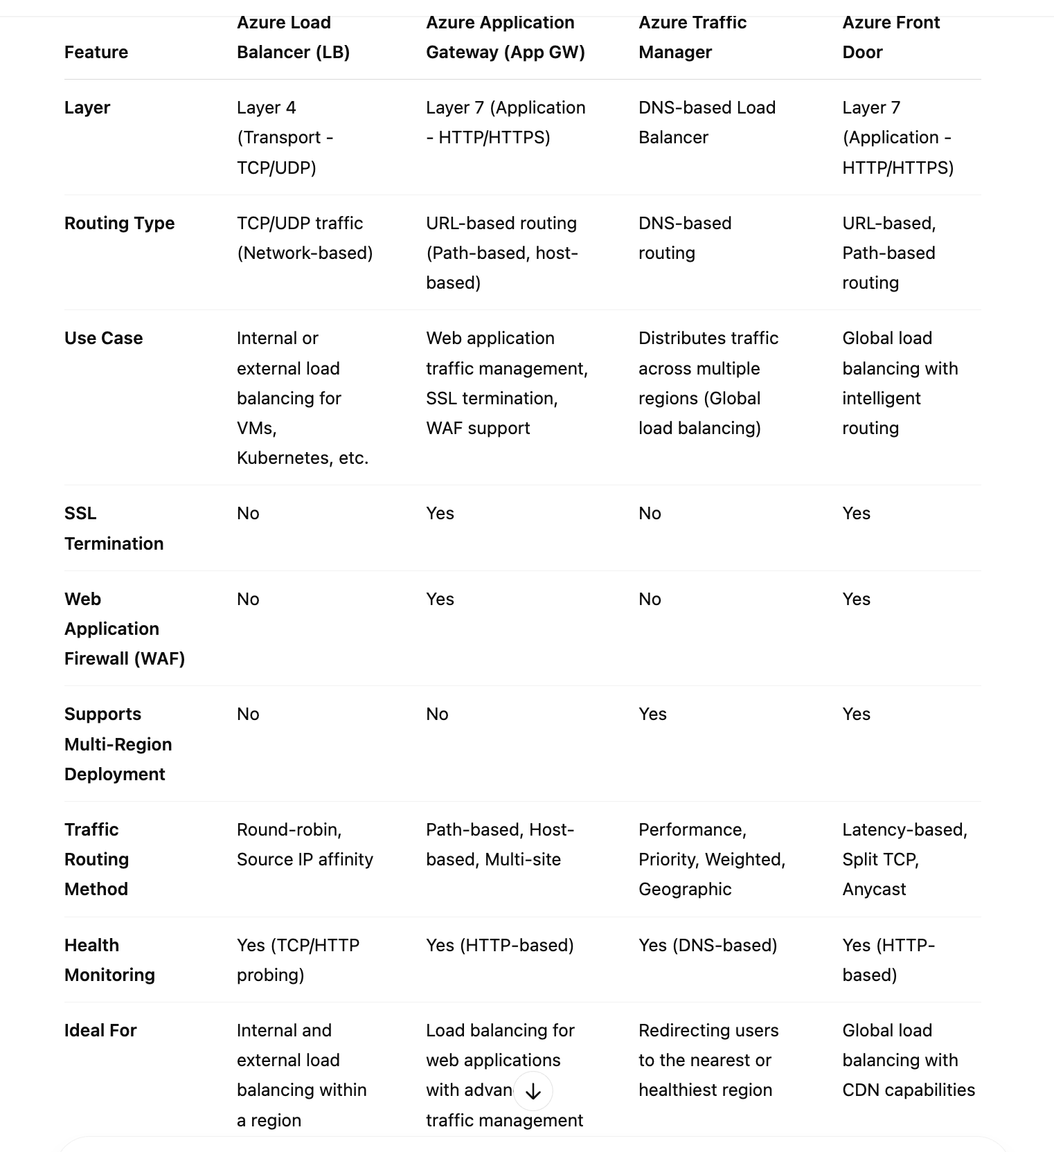 | https://learn.microsoft.com/en-us/azure/architecture/guide/technology-choices/load-balancing-overview
How to decide which LB ? | When to Use: Azure Load Balancer → If you need to distribute traffic at Layer 4 (TCP/UDP), mainly for VMs and containers. Azure Application Gateway → If you need Layer 7 load balancing with path-based routing, SSL termination, and WAF for web applications. Azure Traffic Manager → If you need global traffic distribution using DNS-based routing across multiple regions. Azure Front Door → If you need global load balancing with fast failover, CDN acceleration, and WAF for web applications. | https://learn.microsoft.com/en-us/azure/architecture/guide/technology-choices/load-balancing-overview
How to configure traffic manager ? | https://docs.google.com/document/d/1-HjvvDhkYqlu6PN6j6-5ZVxdhgi7KCijMswR3Fb3h6A/edit?tab=t.0
What is Hub and Spoke model ? | https://learn.microsoft.com/en-us/azure/architecture/networking/architecture/hub-spoke
How to decide Peering to be used or VPN GW or Azure Express route GW ? | To connect two azure vnet use Peering. To connect On-prem network with azure vnet, use VPN GW or Express route GW.
Azure backup and site recovery | https://learn.microsoft.com/en-gb/azure/backup/backup-overview
NSG | To allow/deny incomming and ougoing traffic to the vm. We can apply NSG on Subnet or NIC/VM.
How to configure NSG ? | Source IP range, source port , destination ip range, protocols and priority.

What is VMSS | https://docs.google.com/document/d/1-HjvvDhkYqlu6PN6j6-5ZVxdhgi7KCijMswR3Fb3h6A/edit?tab=t.t970rnyisrc7 | https://docs.google.com/document/d/1-HjvvDhkYqlu6PN6j6-5ZVxdhgi7KCijMswR3Fb3h6A/edit?tab=t.t970rnyisrc7
can we attach more than one ASG in one vm ? | yes. we can attach multiple ASG in one VM. | https://docs.google.com/document/d/1-HjvvDhkYqlu6PN6j6-5ZVxdhgi7KCijMswR3Fb3h6A/edit?tab=t.b843ag2qsiml
What is ASG ? | An Application Security Group (ASG) is a way to group virtual machines (VMs) together based on their application role — like "web servers", "app servers", "DB servers" — and then use that group in NSG (Network Security Group) rules. | https://docs.google.com/document/d/1-HjvvDhkYqlu6PN6j6-5ZVxdhgi7KCijMswR3Fb3h6A/edit?tab=t.b843ag2qsiml
When/Why to use ASG ? | to apply same rule on group of vm so we will add all vm in that asg and then we can apply nsg rule on that asg. | https://docs.google.com/document/d/1-HjvvDhkYqlu6PN6j6-5ZVxdhgi7KCijMswR3Fb3h6A/edit?tab=t.b843ag2qsiml
What is the purpose of storage acc and sql db ? | Storage acc: to store unstructured data jaise products image and video we can store in azure blob. SQL DB: to store structured data jaise ... order transaction details jaise product id, quantity, customer name, email id, address etc
What is availibility set and availibility zone | Availibility zone: Physically seperate your resource in multiple zone within an azure region. us region k kitne zone me replcate krna h ye ham batate hain creation k time pe. Availability set: Automatically distribute your VMs across multiple fault domains. isme fault domain and update domains hote hain. Fault domain: Virtual machines in the same fault domain share a common power source and physical network switch. Update domains: Virtual machines in the same update domain will be restarted together during planned maintenance. Azure never restarts more than one update domain at a time.

GIT
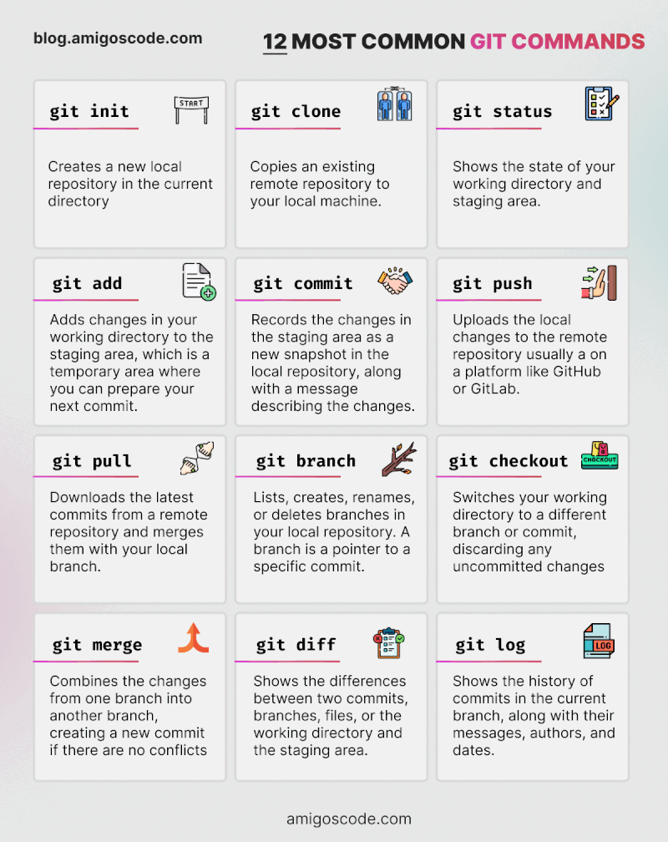
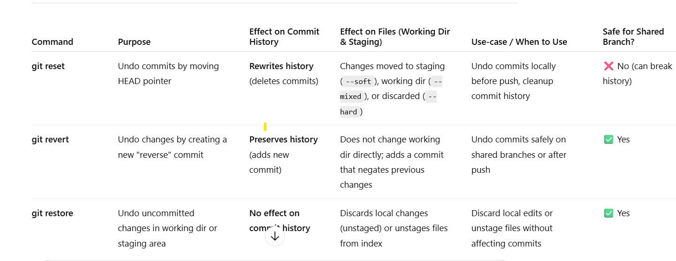
GIT
a | To Create a new branch
git checkout branchname: | Switch to a branch
git init: | Initialize a local git repository
git clone url: | Create a local copy of a remote repository
git add fiilename: | Add a fiile to the staging area |  | one extra commit will be added
git commit -m "Commit message" | Commit changes with a message |  | history is maintained/preserve the commit history
git status: | Check the status of the working directory
git pull: Pull latest changes from the remote repository | git fetch+git merge [jis branch me merge krna h us branch me jake run krna hai.....]
git push: git push origin main | Push changes to the remote repository/branch. yahan origin means remote pe branch h isliye origin use krna h.
git fetch : will show the latest changes made in remote branch | jo remote changes ko local me update karta hai, bina merge kiye.
git diff main feature/dev | ye dono branch me kya difference hai dikha dega...gar koi new file add hua hai, us file k content kya h ..ye sab difference dikha dega terminal pe
git restore --staged test.txt : staging area to working directory | staging area to working directory me move krna hai file ko
git branch: List all local branches
git branch -r : Remote branches dekhne ke liye yeh command use kar sakte hain
git branch -a : all branches (local + remote):
git branch branchname: Create a new branch
git checkout branchname: Switch to a branch
git merge feature/dev: Merge a feature/dev into the main branch | jis branch me merge krna hai usme checkout krke fir ye command chalate hain merge krne k liye. 1. git checkout main 2. git merge feature/dev feature/dev: means jis branch ko merge krna hai.

git stash: temporary store the uncommitted changes. | Due to some reason if you dont want to commit the changes from staging area to local repo, so you can store/save those changes to stashing area/ temporary location. Stash changes in a dirty/safe/temp working directory git stash list : to see un-commited changes stored in stashing area. git stash : move staging area to stashing area git stash pop : move stashing area to local repo. and remove from stashing area git stash apply: move stashing area to local repo. and dont remove from stashing area. git stash drop stash@{0} -- manula delete of particular stash git stash clear--to clear all stash steps: 1. git add . : working area to staging area. 2. git stash : staging area to stashing area. 3. git stash list : to see if file is moved to stashing area. 4. git stash pop: stashing area to staging area wapis lane k liye (or , use git stash apply) 5. git commit -m "file added back from stash" : staging area to local repo. | https://www.youtube.com/watch?v=MUdcUeyaWQg
git log: View commit history | commit history
git reset: Reset your HEAD pointer to a previous commit
git rm fiilename: Remove a fiile from version control
git rebase: Reapply commits on top of another base tip | main branch ko clone kiya and apne feature branch create krke usme 3 commits kar diya and ab us tino commit ko main branch me push krna chahte ho to git rebase use kro steps : 1. goto main branch(jis branch me merge krna h commit ko. git checkout main 2. git rebase feature main | https://www.youtube.com/watch?v=t3vc4gRNCag
git cherry-pick <commitID>: Apply the changes introduced by some existing commits | picking a particular commit from one branch to another branch. suppose hamre feature branch me 3 commits hain and i want to add only commit2 inot main branch so i will use cherry pick. steps : 1. goto main branch(jis branch me merge krna h commit ko.) git checkout main 2. git cherry-pick <commit id> ==================== Normally , ham | https://www.youtube.com/watch?v=t3vc4gRNCag
git revert: Create a new commit that undoes all of the changes made in a particular
commit, then apply it to the current branch
git push --set-upstream origin feature/prod | Agar aap chahte ho ki ek naya branch create krke apne code ko remote pe push krna and git usko track krne lage next time se apko git push likhne se kaam ho jayega. Ye command se feature/prod k naam se ek brach create ho jayega remote/azure repo pe. Ab agar apko iss feature/prod branch se main branch me code ko merege krna ho to Pull request raise krna padega. git push -u origin feature/prod # pehli baar push with tracking
git branch -d branch-name | Agar aap local se branch hataana chahte hain:
git branch -D branch-name | Agar aap local se branch FORCEFULLY hataana chahte hain:
git push origin --delete branch-name | Agar remote se branch delete karni hai:
git push origin main
What is merge conflict ? | when two developer clone the repo and make the changes in same line or file and then dev1 code is merged to the main branch. but now when dev2 try to raise the PR to merge their code in master, so it will give error merge conflict and will show what is changes or difference between dev2 code and the code already mergered and availble in master branch now. so modify the line/file after discussion with dev1 and manager so whatevr the code is correct accordingly and then commit merge and merge PR.
Diff between git rebase and merge.? | Merge preserve the commit hystory, but rebase clean the histroy before merging. in Git merge , all the commits are added and then one extra commit also added which denotes that merge was taken place. means if if you have two commits in feature branch and when you merge these two commits in main so after merging in main total commits will be added 2+1 (extra) commits.

𝗠𝗼𝘀𝘁 𝗨𝘀𝗲𝗱 𝗚𝗶𝘁 𝗰𝗼𝗺𝗺𝗮𝗻𝗱𝘀

1. 𝐠𝐢𝐭 𝐝𝐢𝐟𝐟: Show file differences not yet staged.
2. 𝐠𝐢𝐭 𝐜𝐨𝐦𝐦𝐢𝐭 -𝐚 -𝐦 "𝐜𝐨𝐦𝐦𝐢𝐭 𝐦𝐞𝐬𝐬𝐚𝐠𝐞": Commit all tracked changes with a message.
3. 𝐠𝐢𝐭 𝐜𝐨𝐦𝐦𝐢𝐭 --𝐚𝐦𝐞𝐧𝐝: Modify the last commit.
4. 𝐠𝐢𝐭 𝐬𝐭𝐚𝐭𝐮𝐬: Show the state of your working directory.
5. 𝐠𝐢𝐭 𝐚𝐝𝐝 𝐟𝐢𝐥𝐞_𝐩𝐚𝐭𝐡: Add file(s) to the staging area.
6. 𝐠𝐢𝐭 𝐜𝐡𝐞𝐜𝐤𝐨𝐮𝐭 -𝐛 𝐛𝐫𝐚𝐧𝐜𝐡_𝐧𝐚𝐦𝐞: Create and switch to a new branch.
7. 𝐠𝐢𝐭 𝐜𝐡𝐞𝐜𝐤𝐨𝐮𝐭 𝐛𝐫𝐚𝐧𝐜𝐡_𝐧𝐚𝐦𝐞: Switch to an existing branch.
8. 𝐠𝐢𝐭 𝐜𝐡𝐞𝐜𝐤𝐨𝐮𝐭 <𝐜𝐨𝐦𝐦𝐢𝐭>: Switches the working directory to a specific commit.
9. 𝐠𝐢𝐭 𝐩𝐮𝐬𝐡 𝐨𝐫𝐢𝐠𝐢𝐧 𝐛𝐫𝐚𝐧𝐜𝐡_𝐧𝐚𝐦𝐞: Push a branch to a remote.
10. 𝐠𝐢𝐭 𝐩𝐮𝐥𝐥: Fetch and merge remote changes.
11. 𝐠𝐢𝐭 𝐟𝐞𝐭𝐜𝐡: Fetch changes from the remote repository without merging.
12. 𝐠𝐢𝐭 𝐫𝐞𝐛𝐚𝐬𝐞 -𝐢: Rebase interactively, rewrite commit history.
13. 𝐠𝐢𝐭 𝐫𝐞𝐛𝐚𝐬𝐞 𝐛𝐫𝐚𝐧𝐜𝐡_𝐧𝐚𝐦𝐞: Rebase the current branch onto another branch.
14. 𝐠𝐢𝐭 𝐜𝐥𝐨𝐧𝐞: Create a local copy of a remote repo.
15. 𝐠𝐢𝐭 𝐦𝐞𝐫𝐠𝐞: Merge branches together.
16. 𝐠𝐢𝐭 𝐥𝐨𝐠 --𝐬𝐭𝐚𝐭: Show commit logs with stats.
17. 𝐠𝐢𝐭 𝐬𝐭𝐚𝐬𝐡: Stash changes for later.
18. 𝐠𝐢𝐭 𝐬𝐭𝐚𝐬𝐡 𝐩𝐨𝐩: Apply and remove stashed changes.
19. 𝐠𝐢𝐭 𝐬𝐡𝐨𝐰 𝐜𝐨𝐦𝐦𝐢𝐭_𝐢𝐝: Show details about a commit.
20. 𝐠𝐢𝐭 𝐫𝐞𝐬𝐞𝐭 𝐇𝐄𝐀𝐃~1: Undo the last commit, preserving changes locally.
21. 𝐠𝐢𝐭 𝐛𝐫𝐚𝐧𝐜𝐡 -𝐃 𝐛𝐫𝐚𝐧𝐜𝐡_𝐧𝐚𝐦𝐞: Delete a branch forcefully.
22. 𝐠𝐢𝐭 𝐫𝐞𝐬𝐞𝐭: Undo commits by moving branch reference.
23. 𝐠𝐢𝐭 𝐫𝐞𝐯𝐞𝐫𝐭 𝐜𝐨𝐦𝐦𝐢𝐭_𝐢𝐝: Create a new commit that undoes the changes of a specific commit.
24. 𝐠𝐢𝐭 𝐜𝐡𝐞𝐫𝐫𝐲-𝐩𝐢𝐜𝐤 𝐜𝐨𝐦𝐦𝐢𝐭_𝐢𝐝: Apply changes from a specific commit.
24. 𝐠𝐢𝐭 𝐛𝐫𝐚𝐧𝐜𝐡: Lists branches.
26. 𝐠𝐢𝐭 𝐫𝐞𝐬𝐞𝐭 --𝐬𝐨𝐟𝐭 𝐇𝐄𝐀𝐃^: Undo the last commit, but keep the changes.
27. 𝐠𝐢𝐭 𝐫𝐞𝐬𝐞𝐭 --𝐡𝐚𝐫𝐝: Resets everything to a previous commit, erasing all uncommitted changes.
28: 𝐠𝐢𝐭 𝐛𝐫𝐚𝐧𝐜𝐡 --𝐬𝐞𝐭-𝐮𝐩𝐬𝐭𝐫𝐞𝐚𝐦-𝐭𝐨 𝐫𝐞𝐦𝐨𝐭𝐞_𝐛𝐫𝐚𝐧𝐜𝐡: Sets the upstream branch to the specified
29:if in git there was 20 conflict , I resolved all 20, but still it saying that there is conflict , how will you find and resolve it. Where will you see the error and log. | If Git still shows conflicts after I’ve resolved them, I run git status to see which files are unmerged. Then I use git add to mark them as resolved. I also run grep -r '<<<<<<<' . to check for leftover conflict markers. Once everything is clean, I commit or continue the rebase. This ensures Git knows all conflicts are resolved.

Linux commands
Command | Description/ kab use karna hai ?
ls | list the file or directory
ls -l | details information deta h. like kon kon sa file hai kon kon sa directory h....also permision details de deta hai.
ls -a | hidden folder
pwd | aap kis folder me ho?
mkdir foldername | folder create karta hai
cd | change directory.....kisi v folder se kisi v folder me ja sakte hain
cd devops/ | goto devops directory
cd .. | ek directory pichhe jana hai///goto to previous directory
touch file.txt | create empty file
rm file.txt | delete file.....rm se kewal file delete hoti h...directory nahi.
rm -r cloud/ | Deleting non-empty directories...... -r means Recursively(bar bar ane wale file us directory k undar) means delete the directory with file. | Use rm -r when the folder has files/subfolders.
rm -rf cloud/ | Deleting non-empty directories forcefully
rmdir devops/ | Deleting an empty directory. | Use rmdir when the folder is empty.
cat demo.txt | to see content of file on screen.....file me kya likha h , wo dekhne k liye..
echo "ham linux sikh rahe hain" > demo.txt | gar aap chahte ho ki koi file create ho jaye and uske undar kuch likh v jaye to ye command use kr sakte ho..
zcat | zip file k undar ka content dekhne k liye use krte hain
head -n 5 newfile.txt | This will display the first 5 lines of demo.txt.
tail -n 10 log.txt | This will display the last 10 lines of log.txt.
tail -f log.txt | The -f option in tail stands for follow. It allows you to continuously monitor a file in real-time, displaying new lines as they are added. | ctrl+c to exit
tail -n 20 -f log.txt | Show the last 20 lines and follow the file:
less file.txt | to view the content of a file one page at a time. less provides more advanced navigation features.Allows both forward and backward scrolling.
more file.txt | to view the content of a file one page at a time. You can only scroll forward (down) but not backward (up).
cp newfile.txt devops/ | file ko kisi folder me copy krna h... cp <source path> < dest path > | source folder se
cp devops/devopsfile.txt cloud/ | file ko kisi folder me copy krna h... cp <source complete path> < dest complete path > | folder 1 me baith k folder2 ki file ko folder3 me copy krna h
mv devopsfile.txt ../devops/ | current folder(jaha command chal rahe hain) se file ko dusre folder me copy krna h
wc newfile.txt | file me kitne line hain, kitne words hain and kitne total bytes hain...
ln | hard link between two file. so that content of one file can be copied to another file automatically. and gar main file delete ho v gyi to dusri file rahegi. steps: touch file1.txt ln file1.txt file2.txt vi file1.txt and write something inside the file... cat file2 so same content will be shown here as file1.txt.
ln -s file1.txt file2.txt | soft link . main file delete kiye to dusri file (duplicate/shortcut ) v delete ho jayegi. ln -s file1.txt fil2.txt
sort newfile.txt | Sort in Ascending Order (Default). alfabetically
sort -r newfile.txt | Sort in Descending Order (-r)
cut | file me se ek chhota sa portion cut krke de dega
cut -b 1-3 newfile.txt | newfile.txt me har line ka 1st letter se 3rd letter tak screen par show kr dega. | -b means bite/tookra
cut -b 2-3 newfile.txt | newfile.txt me har line ka 2nd letter se 3rd letter tak screen par show kr dega.
echo "jai sri ram" >> hello.txt | display on the message on screen and will stored in file also.
echo "jai sri ram" | tee hello.txt | display the jai sri ram on screen and also will create a new file hello.txt and will store the jai sri ram in that file.
diff | 2 file k content me kya difference hai.
diff file1.txt file2.txt | 2 file k content me kya difference hai.
ssh 45.70.74.20 | to login the remote machine.
df -h | Shows overall disk space usage (filesystem level). Use df command when you want to see how much total disk space is available.
du -h | Shows size of files and directories (individual files/folders) Use du command when you want to check which files/folders are taking up space.
free -h | disk space. Use free command when you want to check RAM and swap usage.
top | Running process/dynamically update
ps aux | Running process/ but not dynamically update
ps -p 1234 | Show process by PID
ps -u hemant | show processes for a specific user (u - username)
fuser . | This will display the Process IDs (PIDs) of processes currently accessing the current directory.
kill -9 <PID> | to kill the process

uname | kon sa platform chala ra hu ? ubuntu/cent o.s/ kali linux ye sab linux based hota h....mac o.s Darwin based hota h.
uptime | kitne user hain , kitne time se login h ? Time UK (UTC) me show krta h
date | abhi ka date and time show krta h
whoami | kewal logged in user dekhna h.... means kewal ek hi user ka details dikhayega
who | kon se user ne kab login kiya tha is system pe
which | location batayega. kis file system me hain pada hua
which bash | bash ka location batayega..means khan pe installed hoke rakha ../usr/bin/bash
which cp | cp ka location batayega ../usr/bin/cp
which python3 | python3 ka location batayega..means khan pe installed hoke rakha ../usr/bin/python3
id | jis user se aap login ho, us user ki uid and uski group id kya h ? kon kon se group h system me
sudo | root user permission mil jata h us user ko to run that particular command. for example system ko shutdown krna h, ya reboot krna h,,, ya us system pe kuch install krna h, useradd krna h...to mujhe/user ko root user ki permission chahiye hogi. root user ghar k dada ji hote hain, jinke permission chahiye hoti h kuch critical task perform krne k liye. | sudo ek group h ...na ki user.
sudo shutdown |  | ye sare kaam k liye hamko root user permission chahiye hogi.
sudo reboot
sudo apt-get update | kisi v tool ko install krne k liye jo library/package chahiye , wo download ho jata h. system ko upto date krta h. security and patches install krta h
sudo apt install python3 | apt package manager apne system me python ko dhoondh k install krega gar rahega to.
sudo apt-get install python3 | apt package manager internet se python3 ko download krke layega and fir iss system pe install krega
sudo apt remove --purge python3 -y | uninstall python3
yum | package manager for RHEL 7, CentOS 7, Amazon Linux 2, Fedora (old versions)
dnf | package manager for RHEL 8+, CentOS 8+, Fedora
pacman | package manager for Arch Linux, Manjaro
portage | package manager for Gentoo, Funtoo
apt | package manager for Debian, Ubuntu, Kali, Pop!_OS
rpm | package manager for redhat
sudo useradd -m dev_user | new user add/create kro home directory me. | -m means make directory......gar -m ni lagayaenge to user create hoga but home me add ni hoga.
sudo passwd dev_user | user ka password set kro
su dev_user | dusre user me login kro////////switch user
exit | bahar aana h agar us user se......primary user/ubuntu me ana h to
cat /etc/passwd | kon kon se user created h system pe and uid kya hai us user ki ?
sudo passwd test_user | change user's password
whoami | kon se user se login ho abhi ?
userdel dev_user | user delete
sudo groupadd testgroup | create group
cat /etc/group | kon kon se group created h us system pe
sudo gpasswd -a dev_user1 testgroup | user ko group me add kro. sudo gpasswd -a <username> <groupname> | -a means add
sudo groupdel testgroup | group delete
chmod | file ki permission dete hain ,,,,,user, group, other user(who is not the part of group) ko using chmod command.
sudo chmod 777 file.txt | file ki read[4]+write[2]+execute[1] permission diya h user ko, group ko and other user ko... | 4+2+1=7 [RWX] 4+1+1=6 [RXX] 1st 7 for user, 2nd 7 for group and 3rd 7 for others(jo user group me ni h bahar h )
sudo chmod u+rx cloud.txt | user ko Read and execute ka permission diya hai. | u-user, g-group, o-other
sudo chmod 700 file.txt | file ki read[4]+write[2]+execute[1] permission diya h user ko, group ko koi permission nahi and and other user ko v koi permission nahi... | 1st 7 for user, 2nd 0 for group and 3rd 0 for others(jo user group me ni h bahar h )
umask | The umask (user file-creation mode mask) command is used to set default permissions for newly created files and directories. | umask value se ham newly created file/directory ki default permission pata kar sakte hain. for example gar mere system pe umask value 0022 hai to file ki permission 666-022=644[user k liye RW, group k liye read and other ko v read permission milegi us file ki]. for Directories: 777 - 022 = 755 (rwxr-xr-x) for Files: 666 - 022 = 644 (rw-r--r--) | 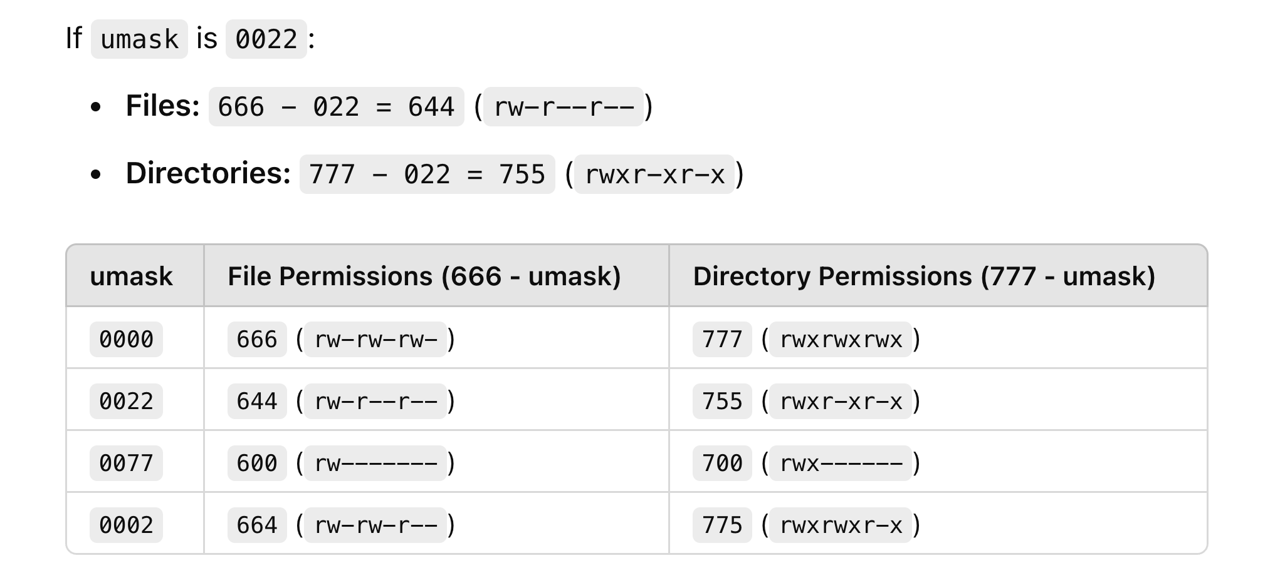
getfacl file.txt | file ki ownership, group, user delete.
chown | kisi user ko owner banan h us file ki
chown username:groupname file.txt | file.txt ki ownership group and user level pe change ho jayegi.
chgrp dev_user file.txt
sudo chown dev_user1 filedev.txt | owner for filedev.txt is changed to dev_user1
sudo chgrp dev_group filedev.txt | kisi group ko owner banan h us file ki
zip | kisi file ya folder ko zip/compress krna h
zip -r abc.zip dev_folder | dev_folder ko zip kr diya
unzip abc.zip | unzip kr diya abc.zip file ko
tar | zip ya unzip krne k liye use krte hain. zip-compress unzip- extract
tar -cvzf dev.tar.gz dev_folder | c- compress v- terminal pe display kr do compress hota hua z- compressed file ka extension hoga .gz f- file | https://www.geeksforgeeks.org/tar-command-linux-examples/
tar -xvzf dev.tar.gz | x- extract v- terminal pe display kr do compress hota hua z- compressed file ka extension hoga .gz f- file"
scp | copy/transfer file from your local pc to remote server/VM and vice versa
sudo scp -i "/Users/hemantkumar/Desktop/AWS/key-pair-linux-practice.pem" /Users/hemantkumar/abc.txt ubuntu@ec2-52-55-242-44.compute-1.amazonaws.com:/home/ubuntu | sudo scp -i <.pem file ka path in your local pc> <jis file ko copy karni uski location> <remote machine ko >:<ec2 path jahan pe copy krna hai>
scp /path/to/local-file.txt azureuser@<VM-PUBLIC-IP>:/home/azureuser/ | copy file to azure vm
sudo scp -i "/Users/hemantkumar/Desktop/AWS/key-pair-linux-practice.pem" -r ubuntu@ec2-52-55-242-44.compute-1.amazonaws.com:/home/ubuntu/devops . | folder copy from remote server to local pc k current folder me. sudo scp -i <pem file ka location> <remote server_and folder ka path> < local pc me khan par copy krna h? uska path > | . means current folder me copy kr do. -r : means recursively because folder copy kr rhe hain.
rsync | local and remote pe file sync krkre rakhta h
ping | application running me hai ya ni...uspe data transfer ho ri h ya ni..packet send ho pa rahi h ya ni us application pe
netstat | server pe active connection kon kon se hain? protocol kon se hain? tcp main h jo establised hona chahiye
ifconfig | N/W interface dekh sakte hain sabka .. eth0 me jitne v Server h uska NIC pe kon si ip h, broadcast ip kya h... lo : means server ki locahost ip.
nmcli con show nmcli | same as ifconfig
traceroute | route between sender and receiver ko trace krte hain iss command se...
traceroute youtube.com | ye dikhayega ki mere pc se request nikal k khan gaya fir point b then point c then pointD.....> youtube server.
tracepath youtube.com | path dikha dega..latency pata chalta h ki kitna time lag ra h website pe request pahuchne me
mtr | ping+path dono batayega | my trace route
mtr google.com
nslookup facebook.com | kisi domain ka ip address dekhna h and active h ya ni ... | ipv4:port80:http ipv6:port443:https
telnet facebook.com 80 | kisi website pe port number k sath connect krna h to telnet use kr sakte h
hostname | khud k server ka host name and ip batata h
ip address show | puri ip details show kr dega server ki
iwconfig | server se kon se wifi connected h
ss | same as netstat
dig abc.com | website khan pe hosted hai.
whois abc.com | domain ka registraion khan se hua h and other details
nc abc.com
arp | mac/hw address pata karna h to server ka
ifpluginstatus | interface dikhata hai
curl -X GET <api url> | api endpoint ko call karne k liye.......mera pc-------api-------server
wget <url> | internet se kuch v file download krni h to
iptable
watch | har 2 sec me usko watch krta rahega and output ko refresh krta rahega
watch mtr abc.com | mtr abc.com k output ko har 2 sec me refresh karta rahega
watch top
watch -n 5 top | har 5 sec me top k output k refresh krta rahega
nmap | network map
nmap -v abc.com | kisi v website ko aap scan kr sakte ho....ki kon sa port open h uspe...and other detaisl
route
awk | kisi v log file me gar kuch specific info chahiye ...like kisi particular time duration ki log chahiye...ya koi ip details chahiye etc.. | awk structured/formated(coma seperated) data pe kaam karta h...like csv data. usi me se find out kar payega
awk | awk '{print}' app.log awk '{print $1}' app.log awk '{print $1, $2}' app.log awk ' /INFO/ {print $1,$2,$3}' app.log awk ' /INFO/ {count++}END {print count}' app.log awk ' /INFO/ {count++}END {print "Count of Info is", count}' app.log awk '$2 >= "08:54:06" && $2 <= "08:58:09" {print $2, $3, $4}' app.log awk 'NR >= 2 && NR <= 7 {print $2, $3, $4}' app.log awk 'NR >= 2 && NR <= 7 {print NR}' app.log
SED | sed '/INFO/p' app.log sed 's/INFO/HEMANT/g' app.log | ye structured and unstructerd dono k liye kaam karta h .. ye line by line padhta h file ko -n : pattern ko exact match krwane k liye.. p : print krwane k liye g: globally print. s: subreplace karne k liye badi strings me se ek chhota sa part ko
grep info abc.log | kuch search krne k liye log file me se
grep -i -c abc.log | kuch search krne k liye log file me se
timedatectl | system ka timezone
sudo timedatectl set-timezone "Asia/Tokyo" | set/change the timezone for system.

Terraform Q&A
Question | Answer
What is backend, types of backend, advantage of using remote backend. | In Terraform, a backend defines how and where the Terraform state is stored. The state keeps track of the resources created and managed by Terraform. Using backends enables remote state storage and provides additional features like state locking and collaboration.
What is state lock? how to force unlock the state lock using cli command and using portal.? | A state lock is a mechanism used to prevent concurrent modifications to the Terraform state file. It ensures that only one user or process can modify the state at a time, preventing conflicts, race conditions, and potential state corruption. State locking is especially important when multiple users or systems are working with Terraform. terraform force-unlock <LOCK_ID>
What is zero drift ? | Zero Drift means the infrastructure matches exactly with the Terraform configuration. if code written in config file = resources available in tfstate = infra available on cloud, it is called zero drift.
When is the state file created for the first time? | after 1st time terraform apply
What is dynamic block ? and advantages of using dynamic block ? | A dynamic block in Terraform allows you to generate multiple nested blocks dynamically based on a list or map. Reduces Code Duplication. Improves Scalability. Reduces Manual Management, Conditional Resource Creation.
What is Data block and why do we use ? | In Terraform, a data block is used to fetch existing resources from a cloud provider without creating or modifying them. which
list all resources in a subscription | az resource list --output table

Terraform taint ? | The terraform taint command was used in Terraform before v0.15 to mark a resource for recreation in the next terraform apply run. However, it is now deprecated and replaced by terraform apply -replace. terraform apply -replace="azurerm_resource_group.rg" "OR" terraform taint azurerm_resource_group.rg terraform apply
How you migrate data from cloud init to terraform | Cloud-init से डेटा कलेक्ट करें और उसे JSON या CSV में एक्सपोर्ट करें। 2. Terraform का उपयोग करें, ताकि आप उस डेटा को अपने क्लाउड इंफ्रास्ट्रक्चर (जैसे S3, डेटाबेस) में माइग्रेट कर सकें। 3. Terraform Provisioners का उपयोग करके Cloud-init द्वारा बनाए गए डेटा को Terraform स्टेट में लाएं। 4. Terraform Import का उपयोग करके डेटा को Terraform में इंटीग्रेट करें। 5. डेटा को Terraform रिसोर्सेज में माइग्रेट करें और ऑटोमेट करें। यह प्रक्रिया आपको Cloud-init से डेटा को Terraform में माइग्रेट करने में मदद करेगी।
Terraform import command ? | The terraform import command is used to import existing infrastructure resources into Terraform’s state. This is useful if you want to manage resources that were created outside of Terraform or if you are migrating an existing infrastructure to be managed by Terraform. when to use terraform import ? azure portal pe resource h but terraform statefile se delete ho gaya hai ... terraform import <resource type.block><resource ID> azure portal pe resource created outside the terraform (manually or through arm template etc..) and i want terraform to mange these resources... add resource in configuration file and then run terraform import command. command formate : terraform import <resource type.block><resource ID> example : terraform import azurerm_resource_group.rg /subscriptions/9117002a-2308-428d-993b-9f46dfdfd10c/resourceGroups/test-RG in above example .. resource type: azurerm_resource_group resource block: rg resource ID : /subscriptions/9117002a-2308-428d-993b-9f46dfdfd10c/resourceGroups/test-RG resource id portal pe resource group me json view me dikhta h ya fir setting-properties me milta hai.
Terraform refresh ? | to refresh the state file. Syncing state file with real resource data. in case a resource is created using terraform and someone deleted from portal, so we can just refresh the state to sync and in next terraform plan/apply it will show 1 to add.
what is command to use update cloud provider (azurerm, aws etc ) | jis version pe jana hi provider.tf me wo version daal denge fir below command run. terraform init -upgrade
there are 10 resources on cloud and i want to delete one of them. how can you achieve that ? | terraform destroy -target=azurerm_virtual_machine.example example : terraform destroy -target=azurerm_storage_account.stg
what is terraform lifecycle block.? | The lifecycle block is used inside a resource block to define special behavior like: ✅ Preventing resource deletion ✅ Forcing resource recreation ✅ Ignoring certain changes
 | 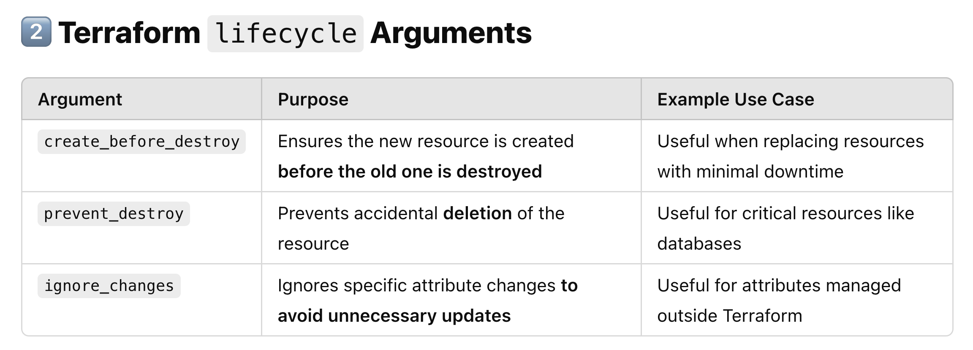
 | 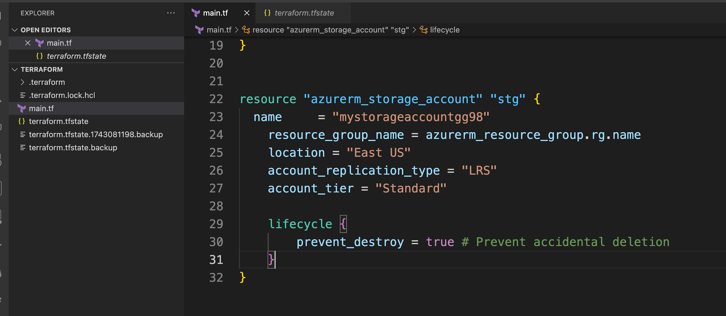
 | terraform destroy -target=azurerm_storage_account.stg above command will throw an error as ... instance cannot be destroy

What are different types of modules in terraform ? | 1. Route module: where we actually call the child module. 2. Child module: where we write all resource configuration 3: Published module : if configuration file stored on github or other repo and we want to call it in route module.
terraform work space ? | Allow to manage seperate statefile for each workspace. We can manage multiple environments using workspace Terraform workspace ek feature hai jo aapko same Terraform configuration ke liye multiple environments (jaise dev, staging, prod, etc.) banane ki suvidha deta hai — bina alag folder ya files banaye.
how to secure terraform statefile ? | Regular backup, remote backend, set the policy, enable versioning for blobs.
how to enable terraform statefile versioning so that in case if statefile is deleted so we can recover it. | storage account-->>Data protection---->>Tracking---->>enable versioning for blobs --->>
Explain the lifecycle of terraform. | Terraform init, validate, fmt, plan, refresh, destroy
Execution order of terraform blocks. | Order Terraform Block Execution Behavior 1️⃣ Terraform Block (terraform {}) Defines backend, provider versions, and requirements. 2️⃣ Provider Block (provider {}) Configures cloud providers like Azure, AWS, GCP. 3️⃣ Data Source Block (data {}) Fetches external information (e.g., existing VMs, networks). 4️⃣ Resource Block (resource {}) Creates, updates, or deletes cloud resources. 5️⃣ Module Block (module {}) Calls external Terraform modules for modular infrastructure. 6️⃣ Output Block (output {}) Displays useful resource information (e.g., IP address).
Terraform provisioners | Use Case Best Provisioner Run a command on the local machine local-exec Run a command inside a virtual machine remote-exec Copy a file to a virtual machine file provisoner Run a script without creating resources null_resource provisioner "remote-exec" { inline = [ "scp -i /path/to/your/private_key local_file.txt user@${self.public_ip}:/remote/path/" ] Provisioners Terraform ke andar aise commands ya scripts hote hain jo resource create hone ke baad chalte hain – jaise ki server pe script run karna, file copy karna, etc. Ye tab use kiye jaate hain jab aapko infrastructure banne ke baad kuch extra setup ya configuration karni ho.
Null resource ? | Run the scripts without creating a resource. resource "null_resource" "example" { provisioner "local-exec" { command = "echo Hello, World!" } }
dirrerence between null resource and provisoner ? | 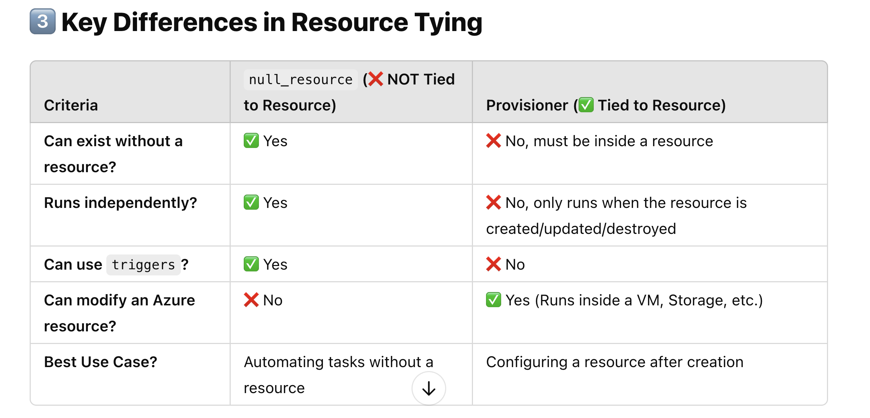
A DevOps Engineer manually created infrastructure on AWS, and now there is a requirement to use Terraform to manage it. How would you import these resources in Terraform code? | To import existing AWS resources into Terraform, you can follow these steps: 1. Write Terraform configuration for the resources you want to manage. 2. Run terraform import command for each resource, specifying the resource type and its unique identifier in AWS. For example: terraform import aws_instance.example i-1234567890abcdef0 Repeat this process for each resource you want to manage with Terraform.
How can you implement automated testing for Terraform code? | Tools: 1. Unit Testing: Validate individual modules with terraform-compliance or terratest . 2. Integration Testing: Use Terratest or Kitchen-Terraform for real/simulated environment tests. 3. Linting: Ensure code quality with TFLint or Checkov . 4. Static Analysis: Detect security issues using tfsec . 5. CI Integration: Automate testing in CI pipelines (Jenkins, GitLab CI, GitHub Actions). 6. Mocking: Simulate dependencies with Mockery or Terratest Mocking . 7. Parameterized Testing: Test various scenarios with different input parameters. 8. Environment Management: Manage environments with Terraform Workspaces or Terraform Cloud/Enterprise .
You are taskeds with migrating your existing infrastructure from terraform version 1.7 to version 1.8 so what kind of considerations and steps would you take? | Review the upgrade guide to understand changes, deprecations, and new features. Terraform Scenario based Interview Questions 15 Update configuration files to match new syntax and handle deprecated features. Address any breaking changes introduced in the new Terraform version. Ensure thorough testing in a non-production environment before applying changes in production. Document any changes and provide training to team members as needed.
remote migration of the state to local | terraform init -migrate-state
what happen when state file deleted and we fire apply command | Error: A resource with the ID "/subscriptions/9117002a-2308-428d-993b-9f46dfdfd10c/resourceGroups/myResourceGroup" already exists - to be managed via Terraform this resource needs to be imported into the State. Please see the resource documentation for "azurerm_resource_group" for more information.
what are the meta argument ? | In Terraform, meta arguments are special settings that help you manage how Terraform handles resources and modules. They allow you to control things like resource dependencies, how many resources to create, and how to handle changes to those resources. depends_on, for_each, list, count ,
Teraform state rollback ? | 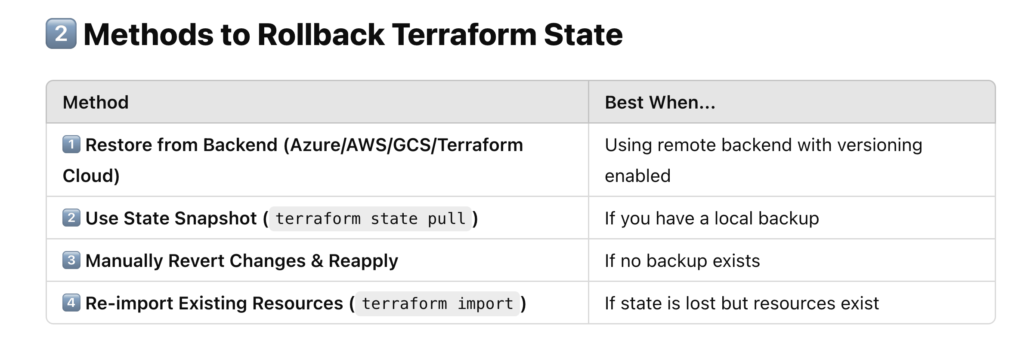 | Terraform state rollback refers to the process of restoring or reverting a previous version of the Terraform state file after it has been modified, corrupted, or lost. Rollback can be a critical operation if changes to the infrastructure or the state file have caused issues (e.g., incorrect infrastructure changes or resource mismanagement).
local block ? | The locals block in Terraform is used to define reusable values inside your Terraform configuration. see below example...... use repetative arguments of resource block inside the local block... locals { resource_group_name = "my-resource-group" location = "East US" vm_size = "Standard_B1s" } resource "azurerm_resource_group" "example" { name = local.resource_group_name location = local.location } resource "azurerm_virtual_machine" "example" { name = "my-vm" location = local.location resource_group_name = local.resource_group_name vm_size = local.vm_size }
Terraform resource graph ? | Visual representation of all the resources configuration. terraform graph | dot -Tpng > graph.png graphviz must be installed in your pc. choco install graphviz [for window pc] sudo apt update && sudo apt install graphviz -y [for ubuntu] brew install graphviz [for Mac]
How to select right VM Sise ? | General purpose - A, B and D Memory optimized - E series Compute optimized- F series
What is difference between arm template and and terraform ? | 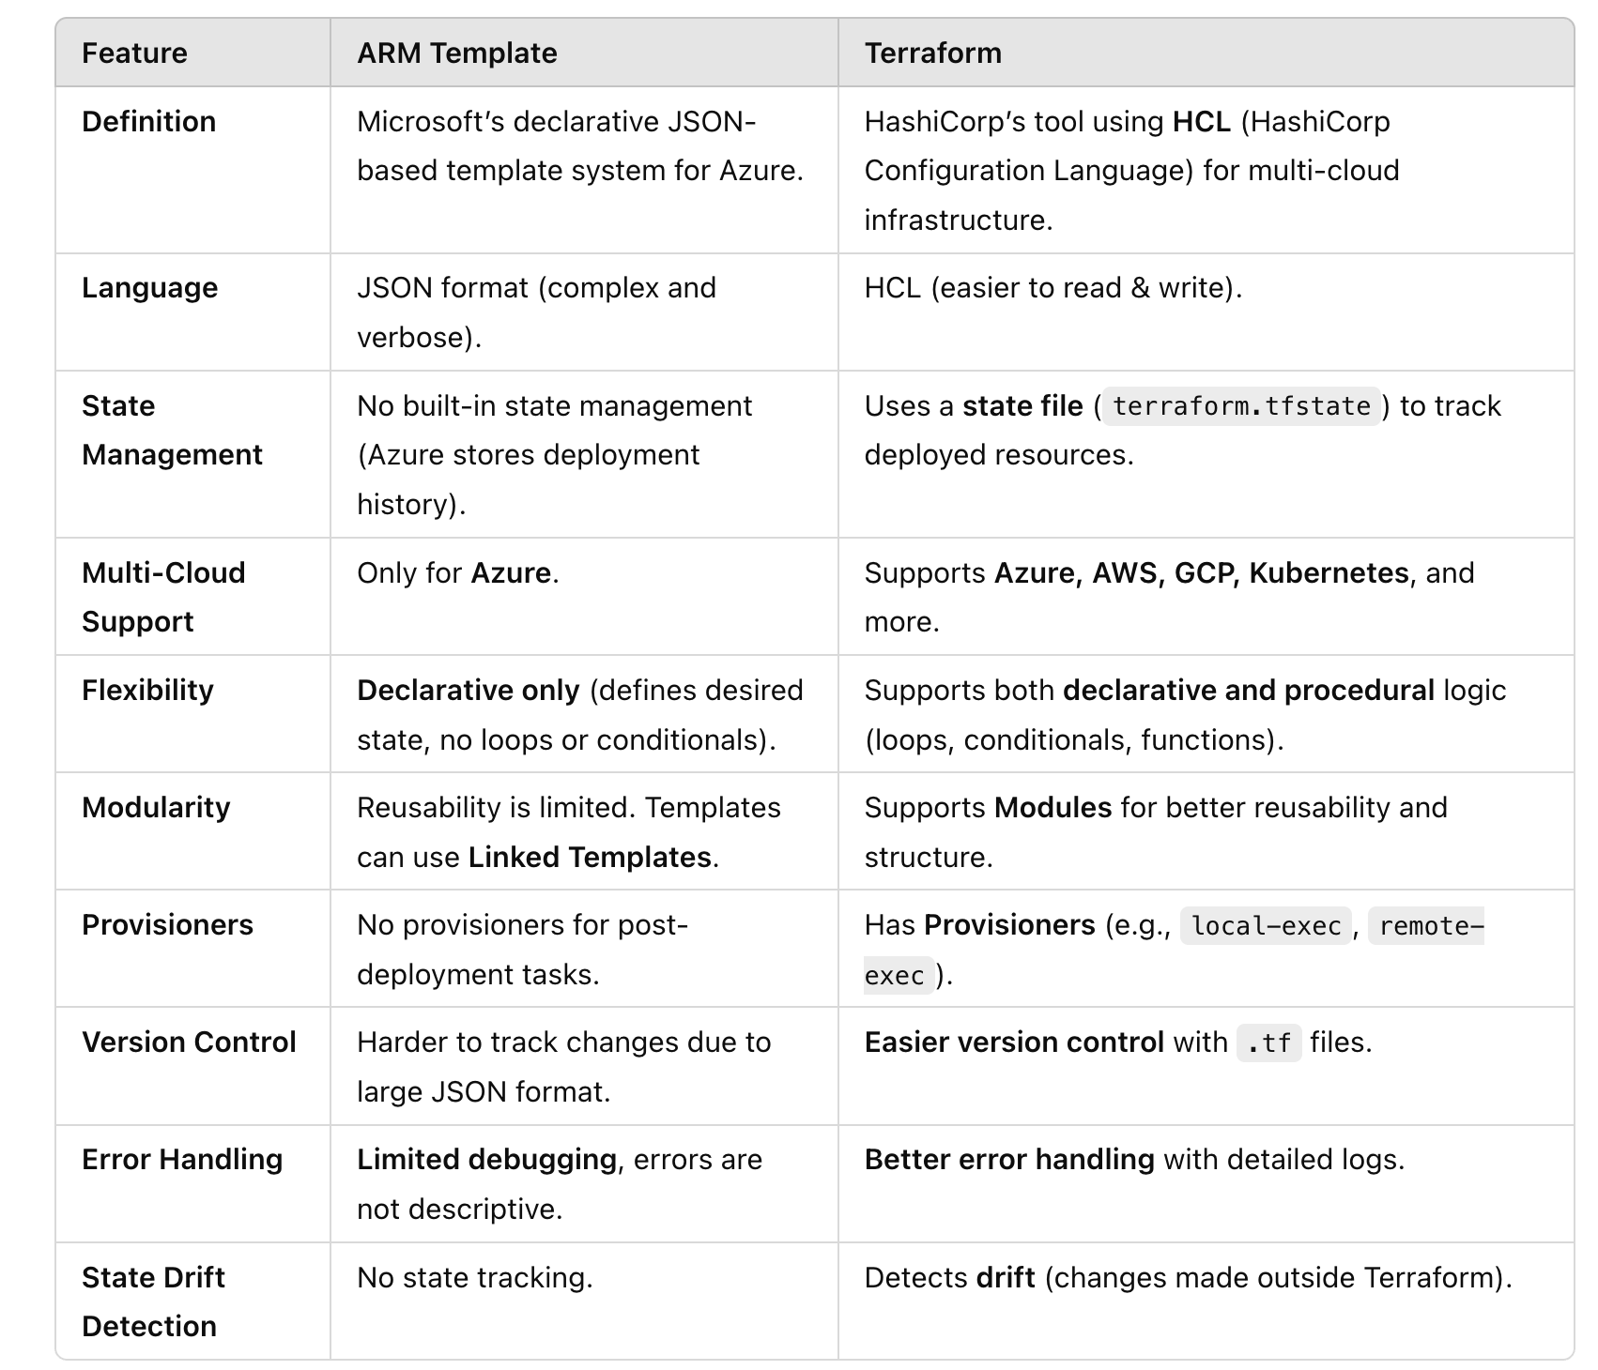
How can you pass the .tfvars file in terraform at runtime. | terraform apply -var-file=abcd.tfvars
Terraform moved block ? | to rename the resource name. or move the resource from one module to another. 🔹 Why Use moved in Azure? ✅ Rename a resource (e.g., Virtual Machine, Storage Account, etc.) ✅ Move a resource inside a module ✅ Avoid unnecessary deletion and recreation of resources moved { from = azurerm_resource_group.rg to = azurerm_resource_group.rg_new } resource "azurerm_resource_group" "rg_new" { name = "myResourceGroup_new" location = "East US" }
Two resource created and managed by terraform, now someone deleted statefile. and now what will be the output of terraform plan ? | 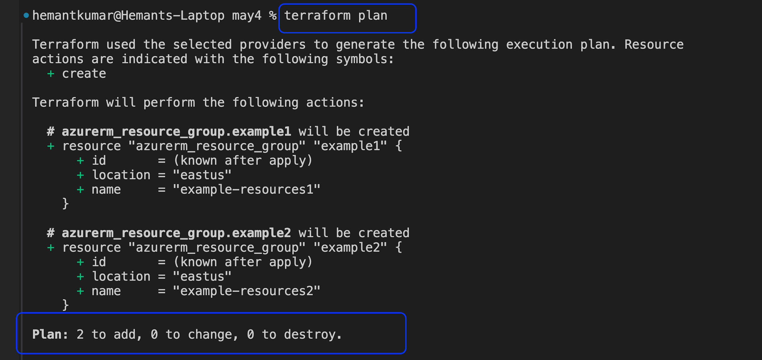
Two resource created and managed by terraform, now someone deleted statefile. and now what will be the output of terraform apply ? | 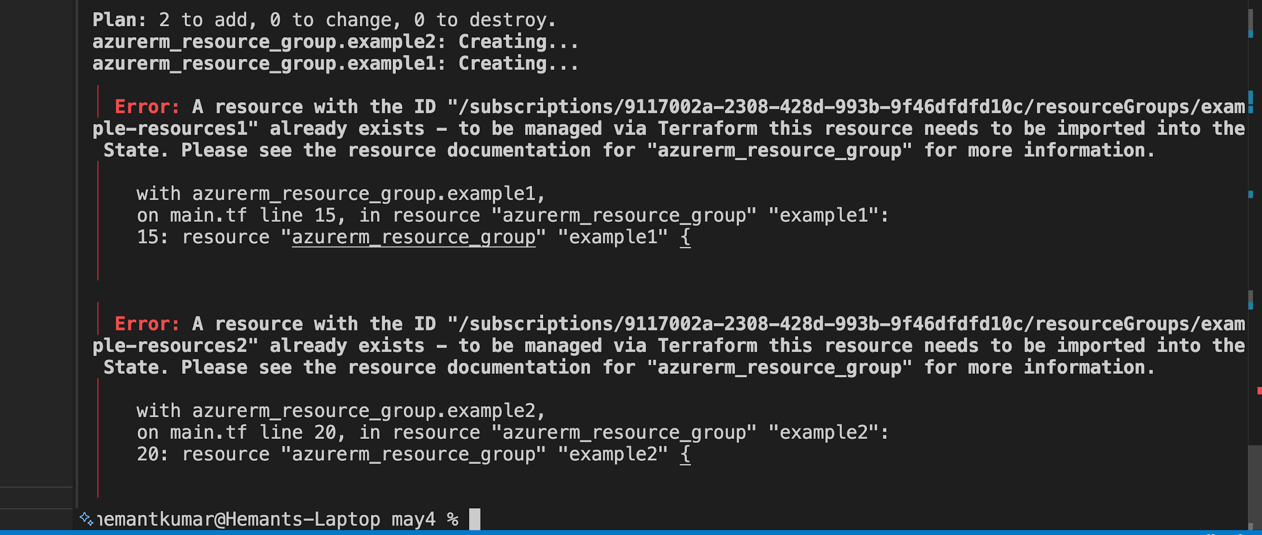
Now how will you import created resources from portal to statefile ? | terraform import <resource type.block><resource ID> Ex: terraform import azurerm_resource_group.my_rg /subscriptions/xxxx/resourceGroups/my-resource-group

How do you handle working with different Terraform versions across projects? | "In our projects, we often deal with multiple clients using different Terraform versions. To manage this efficiently, I use a tool called tfenv, which allows me to install and switch between specific Terraform versions easily. For each project, I maintain a .terraform-version file in the root directory. This ensures that the correct version is automatically selected when I enter that project’s folder. Additionally, in CI/CD pipelines, I make sure the version is explicitly installed and used to prevent compatibility issues. When migrating from an older version to a newer one, I follow Terraform’s upgrade guides step-by-step, clean the .terraform directory, reinitialize with terraform init, and validate the code to ensure everything works correctly with the new version."
Two resource created and managed by terraform, now someone deleted one resource manualy from portal. and now what will be the output of terraform plan ? | one to add
Two resource created and managed by terraform, now someone deleted one resource manualy from portal. and now what will be the output of terraform apply ? | resouces will be created
which command used for terraform plan to save the execution plan to a file? | terraform plan -out=FILENAME
remote migration of the state to local | terraform state mv terraform state list terraform state pull /push terraform state show <resource_name>
terraform dependencies | In Terraform, execution of block done parallely . Two type of dependencies:- 1. Implicit :-These dependencies in terraform are automatically determined by the order of resource reference.Terraform build a dependencies graph based on these references and ensure resource are created or destroyed in correct order . 2. Explicit :- These dependencies are manually specified using the "depend_on" meta argument .
count vs for_each | 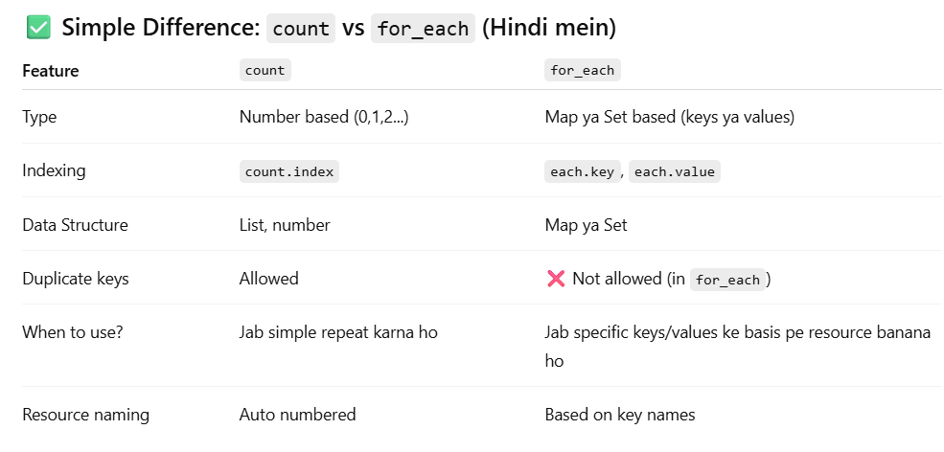
list Vs set | 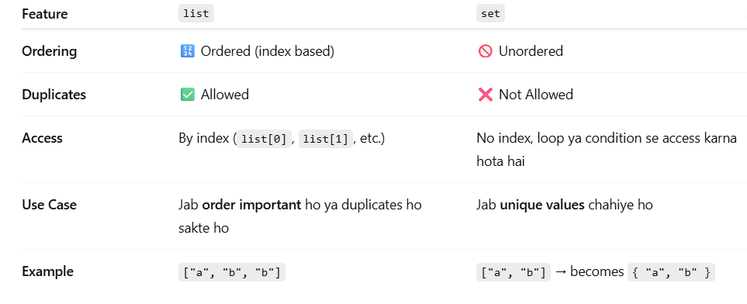

✅ What is an Azure Verified Module? | ✅ What is an Azure Verified Module? Azure Verified Module ek officially reviewed and approved Terraform module hota hai, jo Microsoft Azure team ya trusted partner ne banaya hai, aur Terraform Registry pe available hai. Ye modules: ✅ Best practices follow karte hain ✅ Secure aur scalable hote hain ✅ Frequently maintained hote hain ✅ Microsoft ya trusted vendors ke dwara verified hote hain
providers | Provider -->Purpose azurerm-->✅ Main Azure Infra (VMs, VNet, Storage, etc.) azuread -->🔐 Azure Active Directory setup azapi -->🧪 Advanced features via Azure REST API random -->Random password/string/etc. null -->Provisioners, triggers, placeholder local -->Local file generation tls -->TLS certs generate karna http -->Test HTTP endpoints
How can we deploy multiple subscription using same terraform code ? | 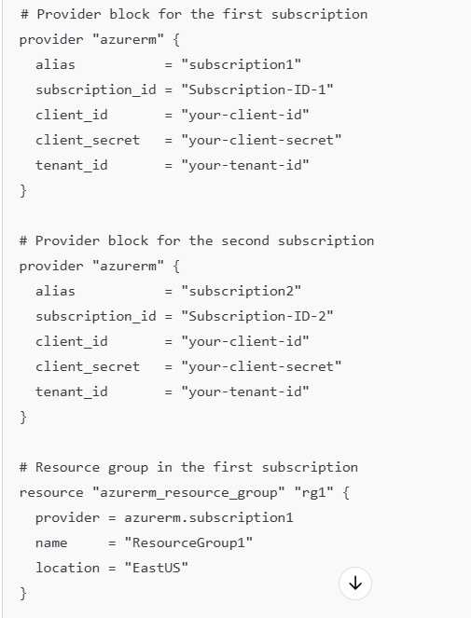 | Multi-subscription Deployment via Modules module "dev_rg" { source = "./modules/resource_group" name = "dev-rg" location = "East US" providers = { azurerm = azurerm.dev } } module "prod_rg" { source = "./modules/resource_group" name = "prod-rg" location = "West Europe" providers = { azurerm = azurerm.prod } }
RTO | RTO (Recovery Time Objective) - Downtime Control ka matlab: Disaster hone ke baad kitne time me system restore ho sakta hai. (Example: Agar RTO = 1 hour hai, toh 1 ghante ke andar system up ho jana chahiye). ✅ Terraform se Multi-Region Failover Setup (RTO Control Karna) Agar Azure pe application host kar rahe ho aur failover automation chahte ho, Traffic Manager (Azure) ka use kar sakte ho. Example: Agar primary region down ho jaye, toh automatically secondary region pe traffic shift ho jaye. ✅ Matlab: Agar Primary Region down hota hai, toh automatically traffic Secondary Region pe chala jayega, isse downtime minimize hoga aur RTO maintain rahega.
RPO | RPO (Recovery Point Objective) - Data Loss Control ka matlab: Kitna recent data aap loss hone se bacha sakte ho. (Example: Agar RPO = 15 min hai, toh har 15 min me backup lena hoga). --It defines how much recent data you can afford to lose in the event of a failure or disaster. resource "azurerm_backup_vault" "vault" { name = "my-backup-vault" resource_group_name = "my-rg" location = "East US" sku = "Standard" } resource "azurerm_backup_policy_vm" "policy" { name = "backup-policy" resource_group_name = "my-rg" vault_name = azurerm_backup_vault.vault.name backup { frequency = "Every 15 Minutes" # RPO = 15 min (Backup har 15 min me hoga) time = "12:00" } } ✅ Matlab: Agar system crash ho gaya, toh max 15 minutes ka data loss hoga, usse pehle ka restore kar sakte ho.

1.13.0-win terraform
The current stable version of Terraform is v1.15.1, released on May 1, 2026

